Skewness
Skewness

Background | You are given two datasets
Task 1 | Identify the skewness of dataset 1. You may use the formula from the lesson, the skewness formula in excel (=SKEW) or you can plot it on a graph
Task 2 | Identify the skewness of dataset 2. You may use the formula from the lesson, the skewness formula in excel (=SKEW) or you can plot it on a graph

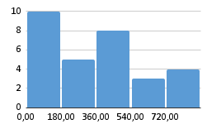
Dataset 1 |  | Task 1: | Dataset 2 | Task 2:
212 | Coeficiente de simetria | 0.630988012 | 586 | -0.3706413109
869 |  |  | 760
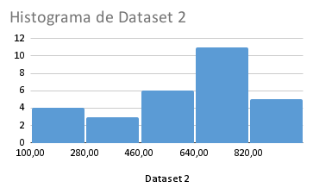
220 |  |  | 495
654 |  |  | 678
511 |  |  | 559
624 |  |  | 415
420 |  |  | 370
121 |  |  | 659
428 |  |  | 119
865 |  |  | 288
799 |  |  | 241
405 |  |  | 787
230 |  |  | 522
670 |  |  | 207
870 |  |  | 160
366 |  |  | 526
99 |  |  | 656
55 |  |  | 848
489 |  |  | 720
312 |  |  | 676
493 |  |  | 581
163 |  |  | 929
221 |  |  | 653
84 |  |  | 661
144 |  |  | 770
48 |  |  | 800
375 |  |  | 529
86 |  |  | 975
168 |  |  | 995
100 |  |  | 947

